Sheet1
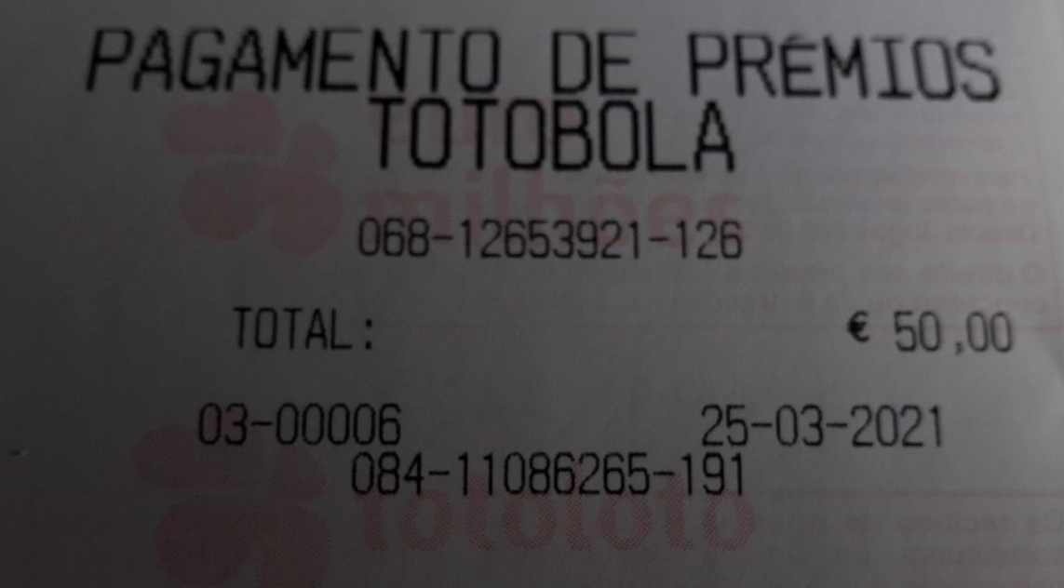
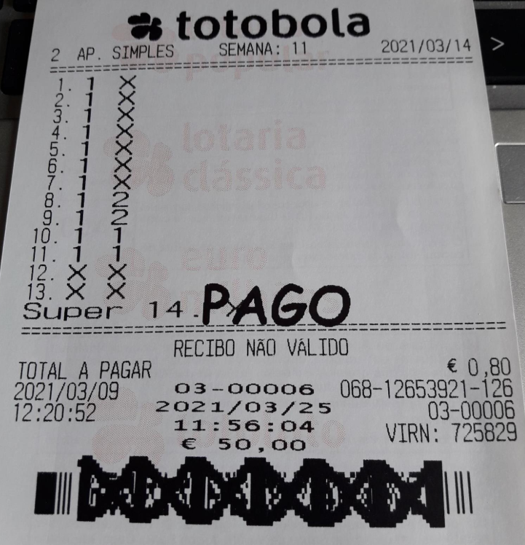
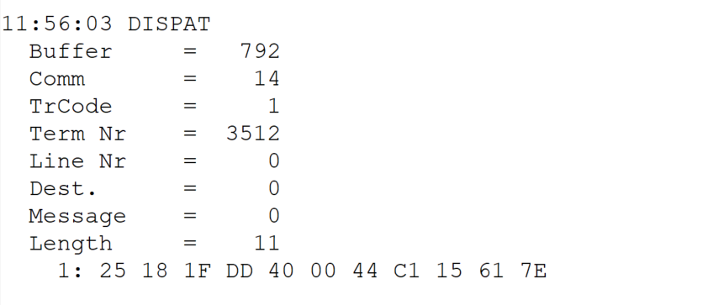
 |  |  |  |  | HEXA | BIN | DEC
TestByte |  | Size | Field Contents
Start | End
1 | 1 | 1 | Control | Sequence | 25 | Control=0010 Sequence=0101 | 2 5 | Control -> x10 - Application Message Sequence -> 5
2 | 2 | 1 | Type = 1 | Subtype = see below | 18 | Type=0001 Subtype=1000 | Type=1 Subtype=8 | Type = 1 Subtype = 8
3 | 4 | 2 | Checksum |  | 1F DD
5 | 5 | 1 | Statistics (see below) |  | 40 |  |  | x40 = Reader Entry
6 | 7 | 2 | Wager Julian Date |  | 00 44 |  | 68 | 31+28+9=68
8 | 10 | 3 | Wager Serial Number |  | C1 15 61 |  | 12653921 | 12653921
11 | 11 | 1 | Wager Check Digits |  | 7E |  | 126 | 126

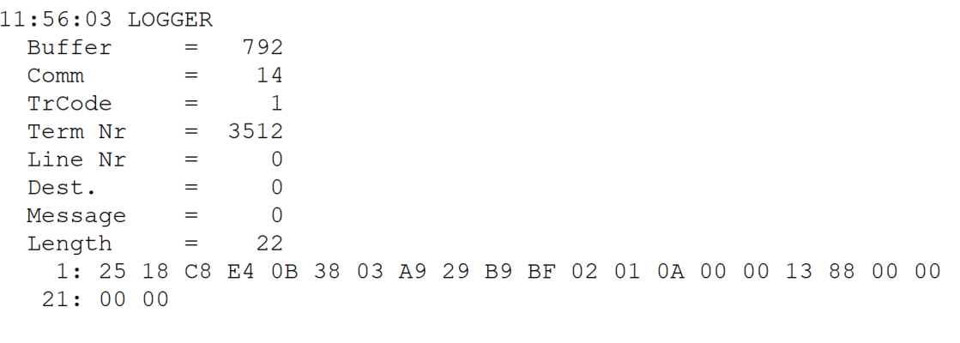
TestByte |  | Size | Field Contents
Start | End
1 | 1 | 1 | Control | Sequence | 25 | Control=0010 Sequence=0101 | 2 5 | Control -> x10 - Application Message Sequence -> 5
2 | 2 | 1 | Type = 1 | Subtype = see below | 18 | Type=0001 Subtype=1000 | Type=1 Subtype=8 | Type = 1 Subtype = 8
3 | 4 | 2 | Checksum |  | C8 E4 |  | 51428
5 | 7 | 3 | Time |  | 0B 38 03 |  | 11:56:03 | 11:56:03
8 | 10 | 3 | Validation Serial Number |  | A9 29 B9 |  | 11086265 | 11086265
11 | 11 | 1 | Validation Check Digits |  | BF |  | 191 | 191
12 | 12 | 1 | Game Type |  | 02 |  | 2 | SPRT - Totobola
13 | 13 | 1 | Game Index |  | 01 |  | 1 | Normal
14 | 14 | 1 | Validation Status |  | 0A |  | 10 | 10 = No Exchange Ticket
15 | 18 | 4 | Cash Amount (Validation Units) |  | 00 00 13 88 |  | 5000 | 5000 cent = 50 euros
19 | 22 | 4 | Refund Amount (Validation Units) |  | 00 00 00 00 |  | 0 | 0

